Dashboard 1
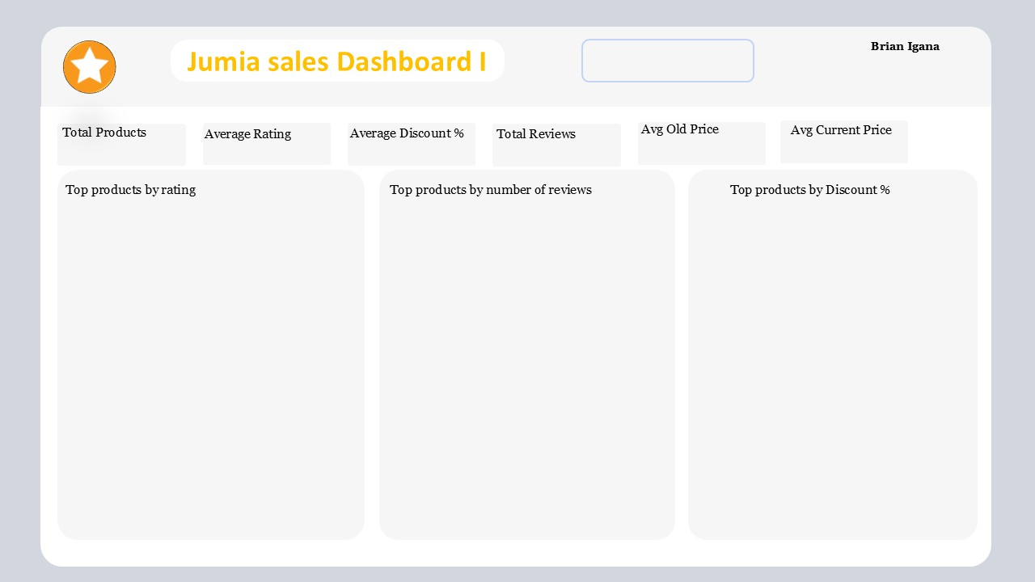

57
4
39%
2,054.51
1,303
57

 | Total
40cm Gold DIY Acrylic Wall Sticker Clock | 5
Portable Home Small Air Humidifier 3-Speed Fan - Green | 5
LASA FOLDING TABLE SERVING STAND | 5
DIY File Folder, Office Drawer File Holder, Pen Holder, Desktop Storage Rack | 5
LASA Aluminum Folding Truck Hand Cart - 68kg Max | 5
Bedroom Simple Floor Hanging Clothes Rack Single Pole Hat Rack - White | 5
Konka Healty Electric Kettle, 24-hour Heat Preservation,1.5L,800W, White | 5
Peacock Throw Pillow Cushion Case For Home Car | 5
Anti-Skid Absorbent Insulation Coaster For Home Office | 5
Classic Black Cat Cotton Hemp Pillow Case For Home Car | 5
 | Total
52 Pieces Cake Decorating Tool Set Gift Kit Baking Supplies | 20
53Pcs/Set Yarn Knitting Crochet Hooks With Bag - Fortune Cat | 20
Portable Mini Cordless Car Vacuum Cleaner - Blue | 24
53 Pieces/Set Yarn Knitting Crochet Hooks With Bag - Pansies | 32
Punch-free Great Load Bearing Bathroom Storage Rack Wall Shelf-White | 36
100 Pcs Crochet Hook Tool Set Knitting Hook Set With Box | 39
3D Waterproof EVA Plastic Shower Curtain 1.8*2Mtrs | 44
Electronic Digital Display Vernier Caliper | 49
137 Pieces Cake Decorating Tool Set Baking Supplies | 55
120W Cordless Vacuum Cleaners Handheld Electric Vacuum Cleaner | 69
 | Total
Memory Foam Neck Pillow Cover, With Pillow Core - 50*30cm | 1,010
DIY File Folder, Office Drawer File Holder, Pen Holder, Desktop Storage Rack | 1,070
13 In 1 Home Repair Tools Box Kit Set | 1,329
Electric LED UV Mosquito Killer Lamp, Outdoor/Indoor Fly Killer Trap Light -USB | 1,418
LASA FOLDING TABLE SERVING STAND | 1,526
LED Eye Protection Desk Lamp , Study, Reading, USB Fan - Double Pen Holder | 1,670
LASA Aluminum Folding Truck Hand Cart - 68kg Max | 1,946
32PCS Portable Cordless Drill Set With Cyclic Battery Drive -26 Variable Speed | 2,393
LASA 3 Tier Bamboo Shoe Bench Storage Shelf | 2,452
5-PCS Stainless Steel Cooking Pot Set With Steamed Slices | 2,585

Dasboard 2
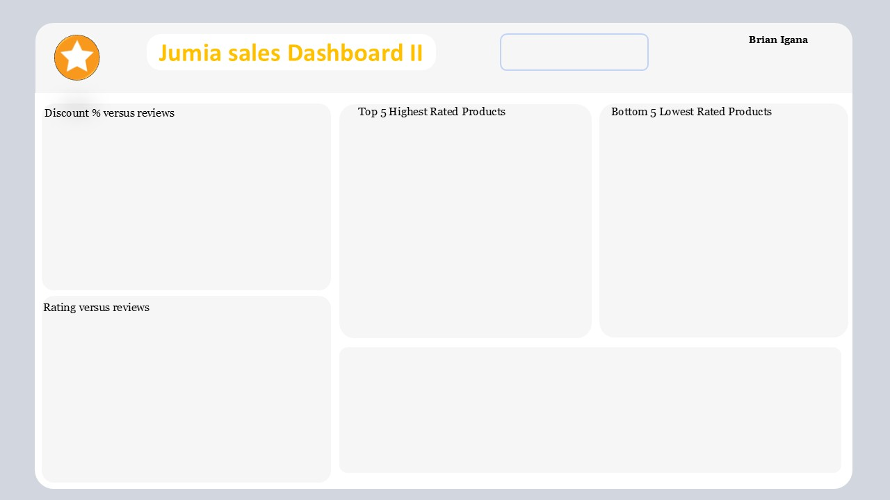

 | Total
Anti-Skid Absorbent Insulation Coaster For Home Office | 5
Bedroom Simple Floor Hanging Clothes Rack Single Pole Hat Rack - White | 5
Classic Black Cat Cotton Hemp Pillow Case For Home Car | 5
DIY File Folder, Office Drawer File Holder, Pen Holder, Desktop Storage Rack | 5
Konka Healty Electric Kettle, 24-hour Heat Preservation,1.5L,800W, White | 5
LASA Aluminum Folding Truck Hand Cart - 68kg Max | 5
Peacock Throw Pillow Cushion Case For Home Car | 5
 | Total
Wall-mounted Sticker Punch-free Plug Fixer | 2
5-PCS Stainless Steel Cooking Pot Set With Steamed Slices | 2
Electric LED UV Mosquito Killer Lamp, Outdoor/Indoor Fly Killer Trap Light -USB | 2
Artificial Potted Flowers Room Decorative Flowers (2 Pieces) | 2
7-piece Set Of Storage Bags, Travel Storage Bags, Shoe Bags | 2
 | Total
High Discount | 31
Medium | 22
Low Discount | 4

 | Total
Average | 22
Excellent | 23
Poor | 12

From the dashboard, It is clear that:
1. Products with Higher discounts receive high reviews from customers
2. Rating on products also have a direct influence on the number of reviews it receive. As shown, Excellent Rating, which is 4 and above out of 5 receive more reviews.

